Sheet1
 |  | Document No. | Issue No. | Issue Date |  | Review and Replace Date |  | Authorised By
 |  | GFF041MC | 4 | 28.09.2018 |  | 11.12.2021
 |  | Document Title | Saag Aloo Gobi 300g
 |  |  |  |  |  |  |  | Magda Shah
Document amendments reason for change |  | Film Updated | Page 1 of 1 |  | Previous Issue Date |  | 11.06.2021 | Uncontrolled copy unless signed original

CVALG-R4TEB | BOOTHS |  | SAAG ALOO GOBI 300g
STEP 1 |  |  |  |  | STEP 2
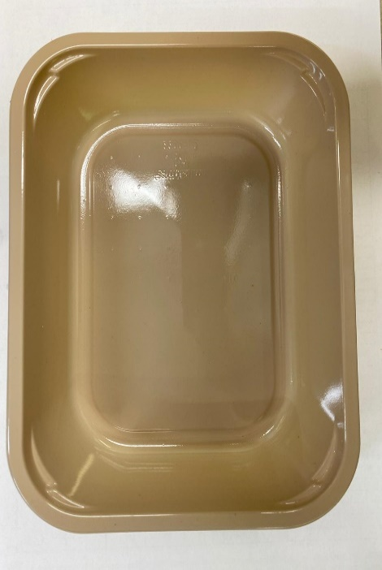 |  |  |  |  | 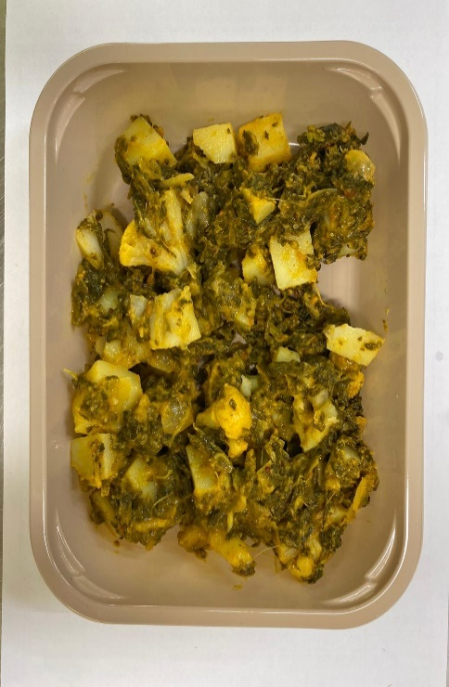

Tray: C 2200­1D Evolve CPET (PKRHP001-09) |  |  |  |  | SAAG ALOO GOBI (GFF130R): 300g

Film: K peel 7G+25A/f- 275mm (275 mmX1000) (PKKMP001-03)

STEP 3
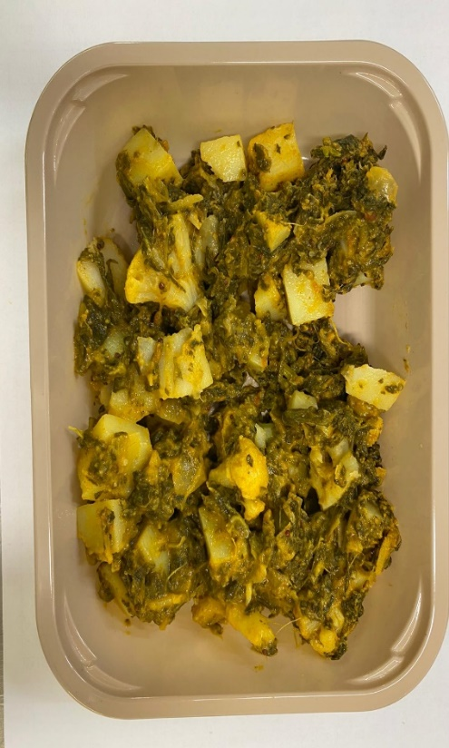

TOTAL WEIGHT: 300g

ALLERGY ALERT: MILK, MUSTARD

